Sneaker
PIC | Sex | NAME | ARTICLE | DESCRIPTION | COLORCODE | COLOR | SIZE RANGE | 36 | 37 | 38 | 39 | 40 | 41 | 42 | 43 | 44 | 45 | 46 | Menge | Retail
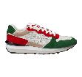 | MEN | MIO | S25MSHO15 | RUNNER | 4050 | RED / GREE | 40 - 46 |  |  |  |  | 73 | 62 | 125 | 192 | 122 | 129 | 62 | 765 | 200.00 €
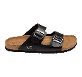 | MEN | SASSUOLO | S25MSLI01 | CORK SLIPPER | 901 | BLACK | 40 - 46 |  |  |  |  | 117 | 49 | 12 | 87 |  | 67 | 5 | 337 | 90.00 €
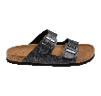 | MEN | SASSUOLO | S25MSLI01 | CORK SLIPPER | 851 | GREY AOP | 40 - 46 |  |  |  |  | 102 | 63 | 85 | 149 | 67 | 108 | 38 | 612 | 90.00 €
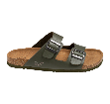 | MEN | SASSUOLO | S25MSLI01 | CORK SLIPPER | 550 | MILITARY G | 40 - 46 |  |  |  |  | 79 | 20 |  | 28 | 36 |  |  | 163 | 90.00 €
 | MEN | SASSUOLO | S25MSLI01 | CORK SLIPPER | 650 | navy | 40 - 46 |  |  |  |  | 91 | 58 | 76 | 147 | 56 | 99 | 34 | 561 | 90.00 €
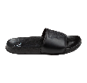 | UNISEX | YAEL | S25USLI01 | RUBBER SLIPPER | 901 | BLACK | 36 - 46 | 25 | 22 | 45 | 68 | 120 | 109 | 144 | 170 | 95 | 120 | 48 | 966 | 60.00 €
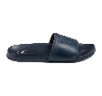 | UNISEX | YAEL | S25USLI01 | RUBBER SLIPPER | 650 | NAVY | 36 - 46 | 23 | 22 | 46 | 73 | 124 | 111 | 143 | 186 | 111 | 122 | 58 | 1019 | 60.00 €
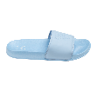 | UNISEX | JADE | S25USLI02 | RUBBER SLIPPER | 621 | LIGHT BLUE | 36 - 46 | 68 | 62 | 135 | 210 | 136 | 137 | 63 |  |  |  |  | 811 | 60.00 €
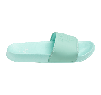 | UNISEX | JADE | S25USLI02 | RUBBER SLIPPER | 505 | ICE GREEN | 36 - 46 | 17 | 16 | 35 | 61 | 95 | 96 | 128 | 161 | 105 | 105 | 52 | 871 | 60.00 €
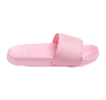 | UNISEX | JADE | S25USLI02 | RUBBER SLIPPER | 420 | PINK | 36 - 46 | 68 | 62 | 135 | 210 | 136 | 137 | 63 |  |  |  |  | 811 | 60.00 €
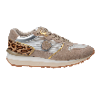 | WOMEN | SENTA | S25WSHO13 | RUNNER | 3030 | BEIGE / LE | 36 - 42 | 53 | 47 | 76 | 106 | 49 | 80 | 33 |  |  |  |  | 444 | 200.00 €
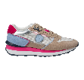 | WOMEN | POLLY | S25WSHO14 | RUNNER | 3042 | BEIGE / PI | 36 - 42 | 56 | 50 | 101 | 145 | 82 | 94 | 45 |  |  |  |  | 573 | 200.00 €
 | WOMEN | POLLY | S25WSHO14 | RUNNER |  | beige / purple | 36 - 42 | 69 | 57 | 114 | 167 | 95 | 109 | 54 |  |  |  |  | 665 | 200.00 €
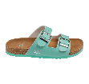 | WOMEN | SASSARI | S25WSLI01 | CORK SLIPPER | 505 | ICE GREEN | 36 - 42 | 60 | 34 | 69 | 118 | 45 | 85 | 46 |  |  |  |  | 457 | 90.00 €
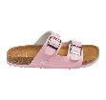 | WOMEN | SASSARI | S25WSLI01 | CORK SLIPPER | 420 | PINK | 36 - 42 | 52 | 10 | 20 | 67 | 8 | 59 | 29 |  |  |  |  | 245 | 90.00 €
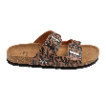 | WOMEN | SASSARI | S25WSLI01 | CORK SLIPPER | 300 | BROWN | 36 - 42 | 91 | 54 | 109 | 175 | 77 | 128 | 66 |  |  |  |  | 700 | 90.00 €
 |  |  |  |  |  |  |  |  |  |  |  |  |  |  |  |  |  |  | 10000

